Introduction
Supplementary data for: "A record of magmatic differentiation in plutonic xenoliths from Santorini (Greece)
Authors: S. Whitley, R. Halama, R. Gertisser, T. H. Hansteen, M. Frische, T. Vennemann

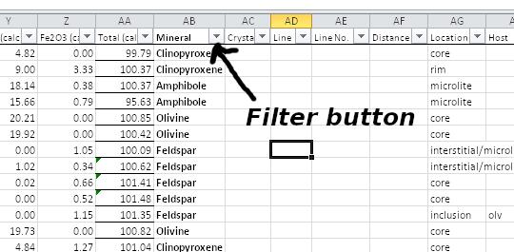
All data are presented in a format that can be easily filtered, plotted and/or read into statistical software such as R. The data are ordered in the order analysed. To see a specific mineral, sample, SiO2 content, etc., use the filter buttons above the respective column. Cells use conditional formatting (colours scaled by value) so that chemical variations in minerals can be clearly seen at a glance. Dark green colours denote relatively high values, and successively lower values are marked by lighter green colours.
The workbook is fully functional, not a static snapshot, so modification to the cations and oxygens used for normalisation is possible for experimenting with minerals, or reusing the spreadsheet for your own data. Please give an acknowledgement if you reuse this spreadsheet for presenting your own data.
The columns titled Crystal, Line No. and Microns only refer to traverses with ascending line numbers for each numbered crystal.
All Fe3+ and Fe2+ estimates are made using Droop (1987)
Amphibole data are found here, but all cations calculated and presented in the manuscript come from the spreadsheet of Locock (2014) based on the Hawthorne (2012) classification
Partition coefficients were calculated using the methods described in the main text and shown in the appendix.
References used are found in the main text and the appendix.

