0. Readme
This supplementary material accompanies the article:
Chamberlain, K. J., Pankhurst, M., Neave, D., Morgan, D., Barbee, O., Scarrow, J., Hickey, J., Broom-Fendley, S., Gardner, J., Rollinson, G., Walshaw, R., Stewart, A., Wieser, P., Coldwell, B., Martín-Lorenzo, A. and Rodríguez, F. (2025) “Crystal cargo perspectives on magma assembly and dynamics during the 2021 Tajogaite eruption, La Palma, Canary Islands”, Volcanica, 8(2), pp. 399–425. doi: 10.30909/vol/vujv5852.

This sheet contains supporting data reduction and calibration information from QEMSCAN data from the 2021 Tajogaite eruption from La Palma
It also contains crystal size distribution through time plots for major and some minor phases.

The information included in this supplementary data file is listed below

Sheet No. | Information
1 | Olivine calibration between EPMA and QEMSCAN data
2 | Crystal size distribution through time plots of selected phases
3 | Plagioclase abundance through time
4 | Macrocryst and microcryst phases through time
5 | High resolution QEMSCAN images from Figure 3 of manuscript

1. Olivine calibration
Olivine composition calibration.

EPMA data |  |  |  | QEMSCAN data
Spot Name | Sample | Fo content | Fo content_err | Area (number of pixels) | Mean_intensity* | StDev | Standard error of mean | * Raw data from pixels corresponding to the olivine mask were analysed for their Fe-Mg relative peak heights and binned into 4 equal ranges of the total range encountered (1-4). The image data comes as a tiff with pixels assigned RGB values. RGB values were changed to 8-bit values with numpy and the resulting tiff was sampled in imageJ to create these mean intensity values.
LLP_0015_ol1_C | LLP_0015 | 81.329 | 0.25 | 64 | 2.031 | 0.666 | 0.08325
LLP_0015_ol2_C | LLP_0015 | 82.538 | 0.25 | 136 | 1.772 | 0.76 | 0.065169
LLP_0015_ol3_C | LLP_0015 | 79.425 | 0.25 | 116 | 2.828 | 0.714 | 0.066293
LLP_0015_ol4_C | LLP_0015 | 81.597 | 0.25 | 44 | 2.205 | 0.904 | 0.136283
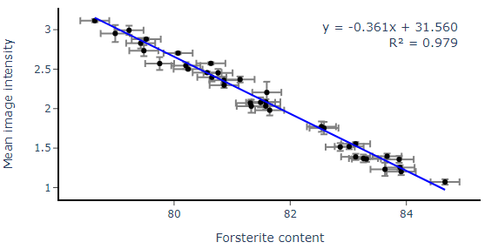
LLP_0015_ol5_C | LLP_0015 | 80.569 | 0.25 | 2791 | 2.456 | 0.743 | 0.014064
LLP_0015_ol6_C | LLP_0015 | 83.126 | 0.25 | 749 | 1.554 | 0.647 | 0.023641
LLP_0015_ol7_C | LLP_0015 | 83.015 | 0.25 | 354 | 1.52 | 0.644 | 0.034228
LLP_0015_oL8_C | LLP_0015 | 79.52 | 0.25 | 1866 | 2.88 | 0.7 | 0.016205
LLP_0015_oL9_C | LLP_0015 | 80.634 | 0.25 | 2514 | 2.573 | 0.727 | 0.014499
(from QEMSCAN data)
LLP_0016_ol1_C | LLP_0016 | 79.48 | 0.25 | 128 | 2.734 | 0.789 | 0.069738
LLP_0016_ol10_C | LLP_0016 | 82.861 | 0.25 | 214 | 1.514 | 0.723 | 0.049423
LLP_0016_ol2_C | LLP_0016 | 79.225 | 0.25 | 124 | 2.992 | 0.656 | 0.058911
LLP_0016_ol3_C | LLP_0016 | 83.127 | 0.25 | 208 | 1.389 | 0.562 | 0.038968
LLP_0016_ol4_C | LLP_0016 | 80.758 | 0.25 | 225 | 2.453 | 0.731 | 0.048733
LLP_0016_ol5_C | LLP_0016 | 80.069 | 0.25 | 2187 | 2.703 | 0.725 | 0.015503
LLP_0016_ol6_C | LLP_0016 | 80.651 | 0.25 | 214 | 2.397 | 0.791 | 0.054072
LLP_0016_ol7_C | LLP_0016 | 81.137 | 0.25 | 420 | 2.369 | 0.781 | 0.038109
LLP_0016_ol8_C | LLP_0016 | 80.862 | 0.25 | 489 | 2.297 | 0.771 | 0.034866
LLP_0016_ol9_C | LLP_0016 | 81.49 | 0.25 | 164 | 2.079 | 0.814 | 0.063563
LLP_0049_ol1_C | LLP_0049 | 82.582 | 0.25 | 85 | 1.753 | 0.722 | 0.078312
LLP_0049_ol10_C | LLP_0049 | 81.646 | 0.25 | 148 | 1.98 | 0.812 | 0.066746
LLP_0049_ol2_C | LLP_0049 | 78.987 | 0.25 | 42 | 2.952 | 0.697 | 0.107549
(from EPMA data)
LLP_0049_ol3_C | LLP_0049 | 79.752 | 0.25 | 84 | 2.571 | 0.749 | 0.081723
LLP_0049_ol4_C | LLP_0049 | 83.876 | 0.25 | 199 | 1.357 | 0.618 | 0.043809
LLP_0049_ol5_C | LLP_0049 | 80.241 | 0.25 | 5974 | 2.501 | 0.723 | 0.009354
LLP_0049_ol6_C | LLP_0049 | 80.203 | 0.25 | 268 | 2.545 | 0.699 | 0.042698
LLP_0049_ol7_C | LLP_0049 | 83.911 | 0.25 | 84 | 1.202 | 0.404 | 0.04408
LLP_0049_ol8_C | LLP_0049 | 81.581 | 0.25 | 416 | 2.084 | 0.738 | 0.036183
LLP_0049_ol9_C | LLP_0049 | 83.891 | 0.25 | 274 | 1.255 | 0.477 | 0.028817
LLP_0096_ol1_C | LLP_0096 | 81.314 | 0.25 | 812 | 2.071 | 0.761 | 0.026706
LLP_0096_ol2_C | LLP_0096 | 83.261 | 0.25 | 122 | 1.369 | 0.548 | 0.049614
LLP_0096_ol3_C | LLP_0096 | 78.635 | 0.25 | 990 | 3.114 | 0.658 | 0.020913
LLP_0096_ol4_C | LLP_0096 | 84.666 | 0.25 | 56 | 1.071 | 0.26 | 0.034744
LLP_0096_ol5_C | LLP_0096 | 81.579 | 0.25 | 311 | 2.032 | 0.749 | 0.042472
LLP_0096_ol6_C | LLP_0096 | 80.858 | 0.25 | 311 | 2.36 | 0.803 | 0.045534
LLP_0096_ol7_C | LLP_0096 | 83.668 | 0.25 | 302 | 1.397 | 0.589 | 0.033893
LLP_0096_ol8_C | LLP_0096 | 83.312 | 0.25 | 254 | 1.362 | 0.605 | 0.037961
LLP_0096_ol9_C | LLP_0096 | 83.632 | 0.25 | 26 | 1.231 | 0.43 | 0.08433

2. CSD through time
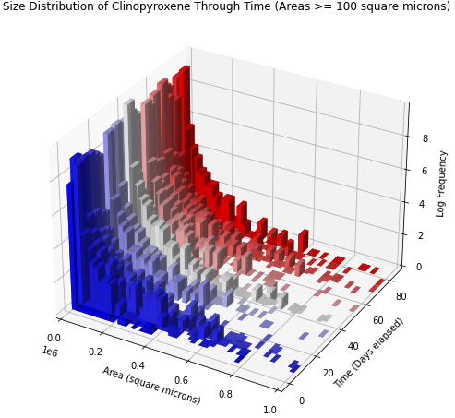
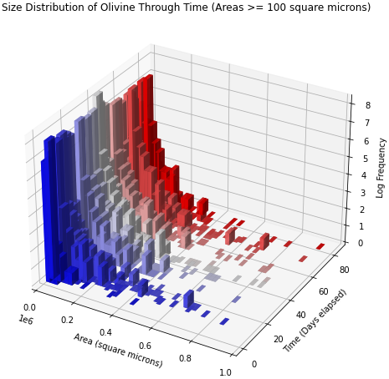
Major macrocrystic phases:

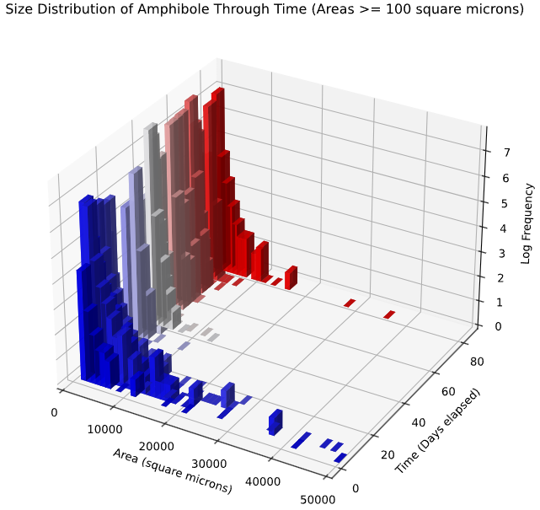
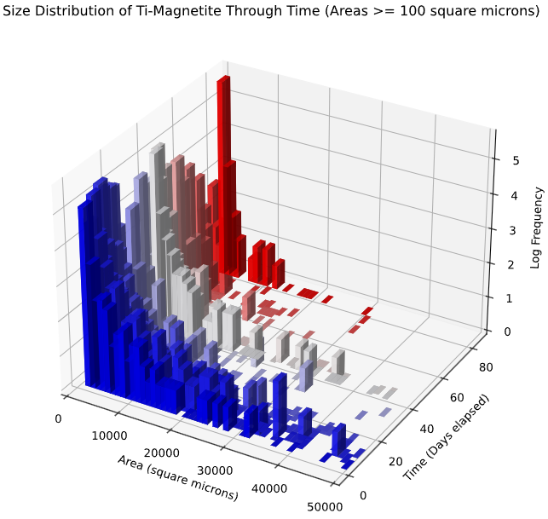
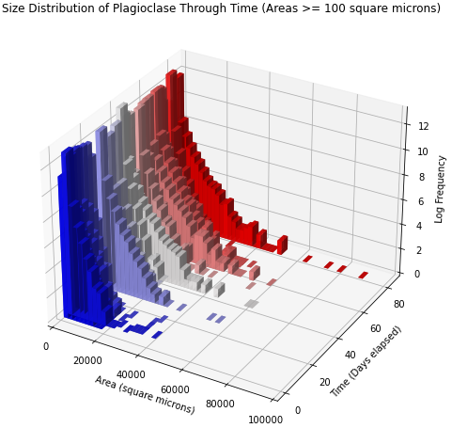
Minor macrocrystic phases:

3. Plagioclase
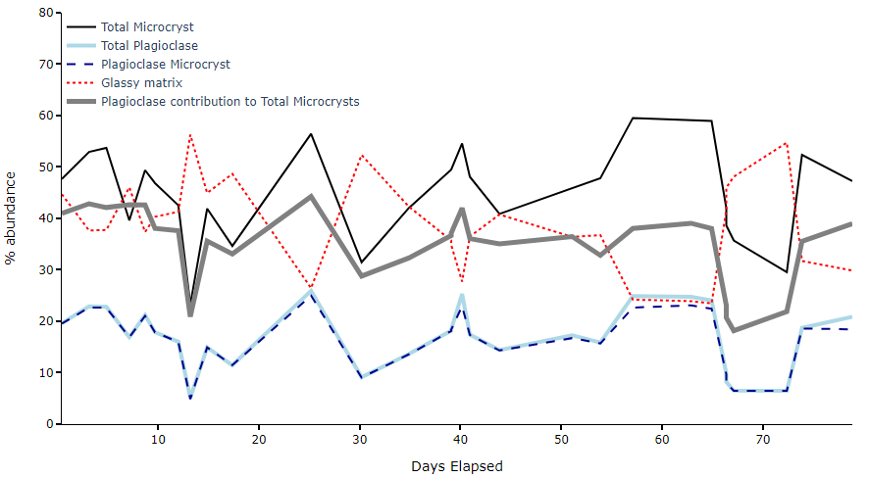
Plagioclase abundance through time, compared with total microcryst and glassy matrix (undifferentiated groundmass) through time.

4. Macro- and microcrysts
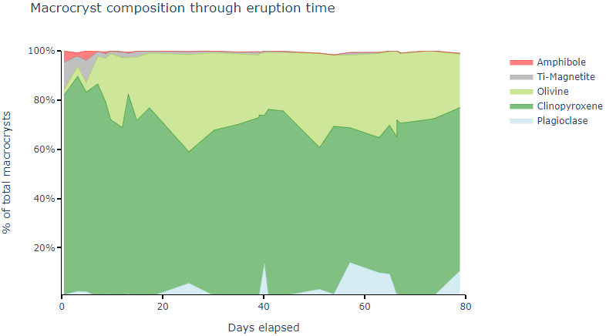
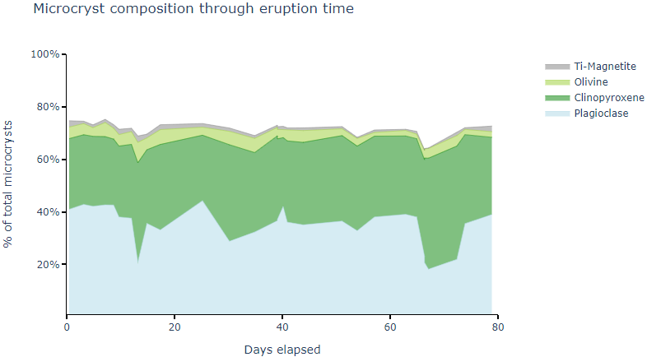

5.Hi-Resolution QEMSCAN images
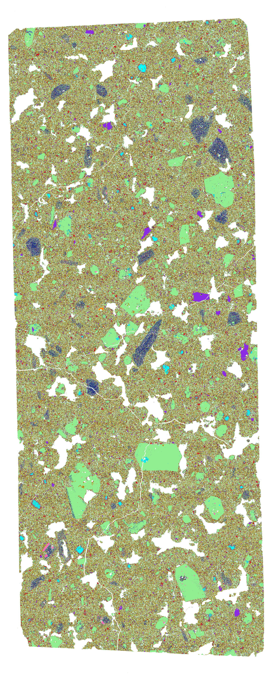
CAN_LLP_0003 | CAN_LLP_0068 | CAN_LLP_0079 | CAN_LLP_0096
Day 3- stage 1 | Day51 - Stage 2 | Day 65- Stage 2 | Day 79- Stage 3

